example to follow
sample | sample mass | alkalinity | notes | mean | sd | sd*2 | cv | percent | min | max | range
alkcrm1 | 50.749 | 2242.69878 | all samples measured in order and results calculated at 25degC. Alkalinity CRM was from batch 130, an older batch donated from the Stillman lab. Goal was to get 2238.04 +- 0.53 umol/kg
alkcrm2 | 54.497 | 2247.53637
alkcrm3 | 53.735 | 2230.10362 |  | 2240.1129 | 8.9995 | 17.9989 | 0.0040 | 0.40% | 2230.10362 | 2247.53637 | 17.43275
BI-0075-P1-1 | 54.156 | 2114.14819
BI-0075-P1-2 | 52.368 | 2138.91935
BI-0075-P1-3 | 54.708 | 2142.24109 |  | 2131.7695 | 15.3507 | 30.7013 | 0.0072 | 0.72% | 2114.14819 | 2142.24109 | 28.0929
BI-0075-P2-1 | 53.209 | 2135.23897
BI-0075-P2-2 | 53.708 | 2133.48756
BI-0075-P2-3 | 51.482 | 2129.4654 |  | 2132.7306 | 2.9603 | 5.9205 | 0.0014 | 0.14% | 2129.4654 | 2135.23897 | 5.77357
BI-0075-P3-1 | 50.766 | 2124.93609
BI-0075-P3-2 | 55.265 | 2132.39217
BI-0075-P3-3 | 51.326 | 2126.4715 |  | 2127.9333 | 3.9371 | 7.8742 | 0.0019 | 0.19% | 2124.93609 | 2132.39217 | 7.45608
alkcrm4 | 55.583 | 2249.35083
alkcrm5 | 51.356 | 2250.29156
alkcrm6 | 53.685 | 2272.6196 | Sample sat overnight without being processed because the instrument arm couldn't settle correctly onto sample cup. | 2257.4207 | 13.1711 | 26.3421 | 0.0058 | 0.58% | 2249.35083 | 2272.6196 | 23.26877

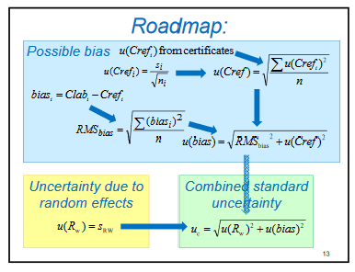
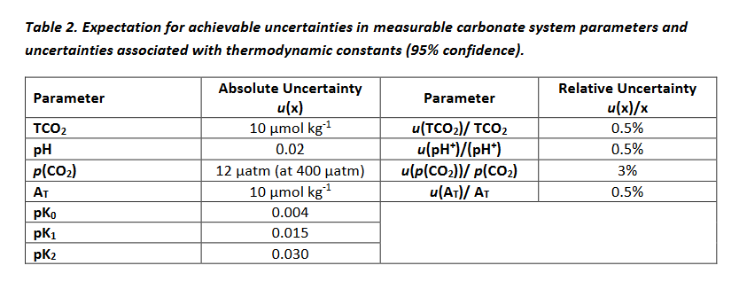
 |  |  |  | Cref value | CLabi-Cref | (xi-Cref)^2
 |  |  |  | 2238.04 | 4.65878 | 21.704231088
 |  |  |  | 2238.04 | 9.49637 | 90.181043177
 |  |  |  | 2238.04 | -7.93638 | 62.986127504
 |  |  |  | 2238.04 | 11.31083 | 127.93487529
 |  |  |  | 2238.04 | 12.25156 | 150.10072243

 |  |  |  |  |  | 9.5174261173 | RMSbias
 |  |  |  |  |  | 0.53 | u(Cref)
 |  |  |  |  |  | 9.5321718353 | u(bias) of x | absolute uncertainty
 |  |  |  |  |  | 0.0042591606206 | u(bias)/x | relative uncertainty

 |  |  |  |  |  |  |  |  |  |  |  | https://www.c-can.info/reference/OAGuidanceManual.pdf
 |  |  | https://sisu.ut.ee/sites/default/files/measurement/files/single-lab_validation_nordtest_uncertainty.pdf

